Results
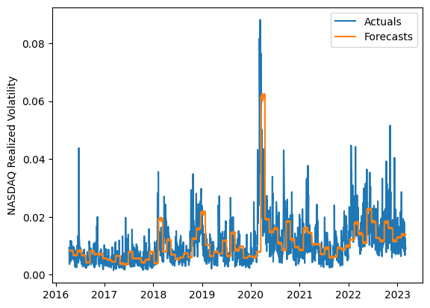
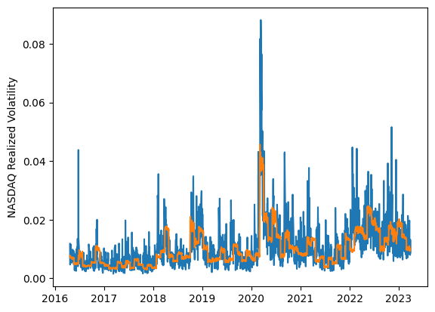
 | LSTM |  |  | TCN |  |  | NBEATSx |  |  |  |  | LSTM |  |  | TCN |  |  | NBEATSx
 | Accuracy | RMSE | Qlike | Accuracy | RMSE | Qlike | Accuracy | RMSE | Qlike |  |  | Accuracy | RMSE | Qlike | Accuracy | RMSE | Qlike | Accuracy | RMSE | Qlike
Trial 1 | 50.58% | 0.478% | 0.164 | 51.40% | 0.474% | 0.165 | 57.86% | 0.415% | 0.150 |  | Mean | 47.81% | 0.488% | 0.175 | 49.37% | 0.477% | 0.170 | 58.42% | 0.410% | 0.147
Trial 2 | 47.11% | 0.484% | 0.175 | 49.17% | 0.470% | 0.171 | 57.68% | 0.415% | 0.147 |  | Standard Deviation | 6.61% | 0.029% | 0.026 | 3.56% | 0.014% | 0.012 | 0.55% | 0.003% | 0.003
Trial 3 | 49.45% | 0.476% | 0.168 | 45.38% | 0.492% | 0.184 | 58.74% | 0.407% | 0.144 |  | 95% CI upper bound | 61.03% | 0.546% | 0.226 | 56.49% | 0.505% | 0.193 | 59.52% | 0.417% | 0.153
Trial 4 | 51.49% | 0.465% | 0.159 | 42.67% | 0.510% | 0.194 | 58.55% | 0.408% | 0.148 |  | 95% CI lower bound | 34.58% | 0.431% | 0.124 | 42.25% | 0.449% | 0.147 | 57.32% | 0.404% | 0.141
Trial 5 | 41.77% | 0.517% | 0.197 | 50.20% | 0.468% | 0.165 | 57.26% | 0.415% | 0.144 |  | 99.7% CI upper bound | 67.64% | 0.574% | 0.252 | 60.05% | 0.519% | 0.205 | 60.07% | 0.420% | 0.156
Trial 6 | 49.80% | 0.487% | 0.168 | 54.20% | 0.457% | 0.152 | 58.81% | 0.410% | 0.147 |  | 99.7% CI lower bound | 27.97% | 0.402% | 0.098 | 38.70% | 0.434% | 0.135 | 56.78% | 0.400% | 0.138
Trial 7 | 34.99% | 0.534% | 0.225 | 50.18% | 0.474% | 0.167 | 58.96% | 0.407% | 0.148
Trial 8 | 47.97% | 0.483% | 0.174 | 44.25% | 0.489% | 0.187 | 58.06% | 0.411% | 0.145
Trial 9 | 51.59% | 0.473% | 0.160 | 51.73% | 0.461% | 0.161 | 57.91% | 0.412% | 0.145
Trial 10 | 31.91% | 0.566% | 0.239 | 55.17% | 0.470% | 0.157 | 58.36% | 0.413% | 0.150
Trial 11 | 54.93% | 0.464% | 0.152 | 48.73% | 0.487% | 0.172 | 58.58% | 0.407% | 0.143
Trial 12 | 53.58% | 0.470% | 0.155 | 48.15% | 0.476% | 0.173 | 58.85% | 0.410% | 0.150
Trial 13 | 49.15% | 0.478% | 0.168 | 52.45% | 0.467% | 0.160 | 58.62% | 0.411% | 0.153
Trial 14 | 52.83% | 0.476% | 0.159 | 46.30% | 0.488% | 0.178 | 59.17% | 0.405% | 0.144
Trial 15 | 49.97% | 0.473% | 0.165 | 50.60% | 0.466% | 0.162 | 58.90% | 0.408% | 0.149

 | LSTM (best trial) |  |  |  |  |  |  |  |  | TCN (best trial) |  |  |  |  |  |  |  |  | NBEATSx (best trial)

